START F125SE
BIKE CODE FOR ORDERS: 22-START-125SE-STD |  | 2022-03-01 | BIKE DESCRIPTION NAME : START F125SE 2022
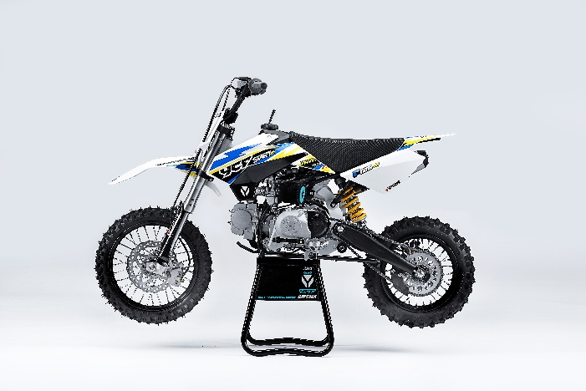 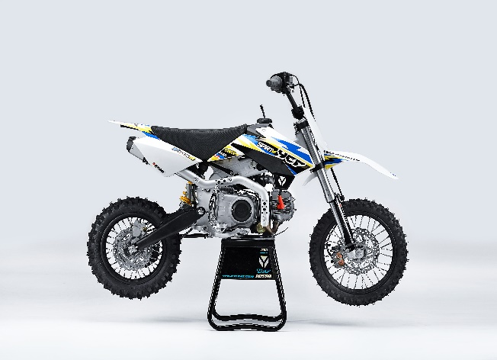

Handle bar assembly
50A = YCF50A
50E = YCF50E
W88E = START W88E
L88 = LITE88 L125 = LITE125
S88S = START F88S
S125S = START F125S
S125SE = START F125SE
S125 = STARTF125
P88 = PILOT 88
P125 = PILOT 125
P150 = PILOT 150
SM125 = START SM125S
SM150 = PILOT SM 150
SP1 = FACTORY SP1
SP2 = FACTORY SP2
SP3 = FACTORY SP3
B125 = BIGY 125MX
B150 = BIGY 150MX
BF150 = BIGY F150MX
BFD190 = BIGY FD190 MX
BFZ190 = BIGY ZE190 MX
S147 = SUNDAY 150
S187 = SUNDAY 190
N° | Ref. | Description | Français | Picture | Qty/Bike | Model
1 | YC110-0101-01 | Handle Bar START chromoly low No embossing L=740mm | Guidon chromoly START bas Sans stries L=740mm |  | 1 | W88E21/S88SE21/L8821/L12521/S125SE21/S12521/P12521/P15021/SM12521
2 | YC110-0132 | Complete Bar Pad for Chromolly Handlebar L=250mm BLACK | Mousse guidon complete pour guidon Chromolly L=250mm NOIR |  | 1 | W88E1821/S88SE1820/L881820/L1251820/S12521/S125S1819/S125SE1820/P1251821/P1501820/SM1251820/B1251820/B1501820
3 | YC110-0153-01 | Handle bar plastic cap | Embout plastique de guidon |  | 1 | ALL BIKES 2120
4 | YC110-0138-04 | YCF complete Throttle Assy. 2020 with YCF grip + Screw 2020 | Poignee gaz reglable complete YCF 2020 avec Paire de poignée caoutchouc YCF GRISE 2020 + vis reglage |  | 1 | 50A20/S88SE21/L8821/L12521/S12521/S125SE21/P12521/P15021/SM12521/B12520/B15020
5 | YC110-01022-06 | Complete SCREW FOR THROTTLE ADJUSTMENT, SIZE M5X50 | VIS M5X50 POUR RÉGLAGE DE LA POIGNÉE DE GAZ complete |  | 1 | 50A20/S88SE21/L8821/L12521/S12521/S125SE21/P12521/P15021/SM12521/B12520/B15020
6 | PPC011-GY | YCF set of grip GREY 2020 | Paire de poignée caoutchouc YCF GRISE 2020 |  | 1 | ALL BIKES 21
7 | YC110-0105-15 | Kill Switch ON/OFF L=580mm | Coupe circuit on off L=580mm |  | 1 | ALL BIKES 1221
8 | YC110-0106 | Throttle Cable L=840mm A+B=130mm | Cable gaz L=840mm A+B=130mm |  | 1 | L12521/S125S1319/S12521/S125SE1521/P1251321/P1501220/SM1251321/SM1501321/SP11217/SP21220/B1251719/B1501719/BF1501719/BFD1901719/BFZ1901819/S1471821/S1871821
9 | YC110-0143-01 | Rubber on trottle cable | Protection caoutchouc cable de gas |  | 1 | ALL BIKES 1720
10 | YC110-01-03-BK | Cable tie L=150mm BLACK | collier maintien cable L=150mm NOIR |  | 3 | ALL BIKES
11 | YC110-0139-02 | Start switch Waterproof L=500mm | Bouton demareur ETANCHE L=500mm |  | 1 | 50A20/S88SE1720/S125SE1720/BFZ1901820

Steering stem assembly

N° | Ref. | Description | Français | Picture | Qty/Bike | Model
1 | YC110-02-053-BK | Complete Triple Clamp (TOPd45mm / BOTTOM d48mm) adjustable bar mount L=160mm 2020 BLACK | Te Fourche Complet (TE SUPd45mm / TE INF d48mm) pontet ajustable L=160mm 2020 NOIR |  | 1 | W88E21/S88SE21/S12521/S125SE21/SM12521/SM15021/SP220/B12520/B15020/BF15020/BFZ19020
2 | YC110-0201-03 | Steering stem L=233mm | tige colonne direction L=233mm |  | 1 | S12521/S125S1119/S125SE1521/P1251120/P1501120/SM1251221/SM1501321/SP11317/SP21321/SP31321/B1251721/B1501721/BFD1901721/BFZ1901820/S1471821/S1871821 | `
3 | YC110-0202-56-BK | Lower triple clamp 160mm d48mm H=28mm 2020 MATT BLACK | té fourche inferieur 160mm d48mm H=28mm 2020 NOIR MAT |  | 1 | W88E21/S88SE21/S12521/S125SE21/SM12521/SM15021/SP220/B12520/B15020/BFZ19020
4 | YC110-0201-56-BK | Top Triple Clamp160mm d45mm H=28mm 2022 MATT BLACK, 3 ADJUSTEBLE POSITIONS | té fourche supérieur 160mm d45mm H=28mm 2022 NOIR MAT, REGLAGE 3 POSITIONS |  | 1 | W88E21/S88SE21/S12521/S125SE21/SM12521/SM15021/SP221/B12521/B15021/BF15020/BFZ19020
5 | YC110-0203-035 | Set of Bar mount not adjustable d22.2mm/bottom 55mm START Type BLACK （with GB70-M10x50x1.5W 2EA+BT08-M8x30-W 4EA） | jeu pontet guidon non ajustable d 22.2mm / pontet bas 55mm Type START NOIR （with GB70-M10x50x1.5W 2EA+BT08-M8x30-W 4EA） |  | 1 | W88E21/S88SE21/L8821/L12521/S12521/S125SE21/P12521/P15021/SM12521/SM15021/SP220/B12520/B15020/BIGYF190ZE20
6 | YC110-0203-32 | 2020 Lower Bar Mount CNC START type,d22.2 H=55mm BLACK | Pontet guidon inférieur type START d22.2 H=55 mm NOIR 2020 |  | 2 | W88E21/L8821/S88SE21/L12521/S12521/S125SE21/P12521/P15021/SM12521/SM15021/SP220/B12520/B15020/BFZ19020
7 | YC110-0201-02 | 2020 Top Bar Mout CNC d22.2 mm/height H=18mm START Type BLACK | pontet guidon supérieur 2020 d22.2mm H=18mm Type START NOIR |  | 2 | W88E21/L8821/S88SE21/L12521/S12521/S125SE21/P12521/P15021/SM12521/SM15021/SP220/B12520/B15020/BFZ19020
8 | BT08-M6x25-W | Hex.Bolt M6x25mm for clamp (sides top and bottom) | vis M6x25mm pour tes (cotes superieur et inferieur) |  | 8 | ALL BIKES 21
9 | BT08-M8x30-W | Hex.Bolt M8x30mm for top bar mount | vis M8x30mm pour pontet superieur |  | 4 | W88E21/S88SE21/L8821/L12521/S12521/S125SE21/P12521/P15021/SM12521/SM15021/SP220/SP320/B12520/B15020/BFD19020/BFZ19020
10 | GB70-M10x50x1.5W | Hex. Bolt M10x50mm (step 1.5) for 2020 bar mounts | Vis centrale M10x50mm (pas 1.5) pour pontets 2020 |  | 2 | W88E21/S88SE21/L8821/L12521/S12521/S125SE21/P12521/P15021/SM12521/SM15021/SP220/B12520/B15020/BFZ19020
11 | YC110-0212-07-WH | Front Number Plate complete WHITE | Plaque avant complete Blanche |  | 1 | W88E21/S88SE21/L8821/L1251720/S12521/S125S1421/S125SE1420/P1251421/P1501421/SM125s1420/SM1501420/SP11417/SP21420/SP31421
12 | BT08-M6x10-W | Hex.Bolt M6x10mm for front No plate | vis M6x10mm pour plaque No avant |  | 1 | ALL BIKES 21
13 | GB97-d12-W | Flat washer d12 | Rondelle d12 |  | 1 | ALL BIKES2020
14 | KRDIRECTION46 | set of bearing for steering 46/23.5、46/22 | kit rlt colonne direction 46/23.5、46/22 |  | 2 | 50A20/50E20/W88E21/S88SE21/L8821/L12521/125S1519/S125SE1521/P1251321/P1501321/SM1251321/SM1501321/SP11117/SP21220/SP31220/B1251721/B1501721/BF1501720/BFD1901721/BFZ1901721/S1471821/S1871821
15 | YC110-02-09 | Top nut for steering d54.5mm | écrou crantellé colonne direction d54.5mm |  | 1 | ALL BIKES 1221
16 | YC110-02-10 | Washer for steering stem nut d22.5mmxd37mmx0.7mm | joint colonne direction d22.5mmxd37mmx0.7mm |  | 2 | ALL BIKES 1221
17 | YC110-02-11 | Nut for steering stem M22 | écrou supérieur colnne direction M22 |  | 1 | ALL BIKES 1221
18 | YC110-0214-01-WH | Complete Break Line Retainer White（with GB9074.5-M4x10-W 1EA ） | guide durite sur plaque avant complet Blanc |  | 1 | 50A20/50E20/W88E21/S88SE21/L8821/L1251621/S125SE1521/P1251421/P1501421/SM1251420/SM1501420/SP11417/SP21420/SP31421/B1251721/B1501721/BF1501719/BFD1901721/BFZ1901721
19 | GB97-d4-W | flat washer d4mm for Break Line Retainer front No plate | rondelle d4mm pour guide durite plaque No avant |  | 1 | ALL BIKES 1221
20 | GB818-M4x10-W | Plus screw M4x10mm for Break Line Retainer front No plate | vis M4x10mm pour guide durite plaque No avant |  | 1 | ALL BIKES 1221
21 | YC110-0213-10 | Front plastic plate to hold cables 75mmx100mm | Plaque avant plastique maintien cables 75mmx100mm |  | 1 | ALL BIKES 21
22 | YC110-0213-08 | Number plate bracket | support plaque avant |  | 1 | S1251420/S125SE1521/P1251421/P1501421/SM1251621/SM1501620/SP11617/SP21620/SP31620/B1251721/B1501721/BF1501719/BFD190ZE1720/BIGYF190D1720
23 | GBT5787-M6x16-3 | Hex. Bolt with flanged for front plastic plate M6x16mm (spacer 3mm) | vis M6x16mm pour support plaque avant (deport 3mm ) |  | 1 | ALL BIKES 1620
24 | YC110-01-08-BK | Cable tie tie ADJUSTABLE BLACK for Front plastic plate to hold cables | Collier maintien cable AJUSTABLE NOIR pour plaque avant plastique |  | 2 | ALL BIKES 21
25 | YC110-02-20 | Washer for steering stem nut d22mm (top)/d24mm (bottom)-d47mm | Joint pour colonne direction d22mm (haut)/d24mm (bas) -d47mm |  | 1 | S1251420/S125S1419/S125SE1420/P1251421/P1501421/SM1251420/SM1501420/SP11417/SP21420/SP31421/B1251721/B1501721/BF1501721/BFD1901721/BFZ1901821/S1471821/S1871821/S88SE21

Front Fender

N° | Ref. | Description | Français | Picture | Qty/Bike | Model
1 | YC110-032-02-WH | YCF Front Fender 2020 WHITE | GARDE BOUE AVANT 2020 BLANC |  | 1 | W88E21/S88SE21/L12521/S125SE21/S12521/P12521/P15021/SM12521/SM15021/SP220/SP320
2 | GBT5787-M6x16-6 | Hex. Bolt with flanged M6x16mm (spacer 6mm) for front mudguard (bottom) | vis M6x16mm (deport 6mm) pour garde boue avant (dessous) |  | 3 | 50A20/50E20/W88E1821/S88SE1820/L8821/L12521/S12521/S125SE1820/P1251821/P1501820/SM1251820/SM1501821/SP21820/SP31820/B1251820/B1501820/BF1501719/BFD19017820/BFZ1901820
3 | GBT5787-M6x16-3 | Hex. Bolt with flanged M6x16mm front mudguard (spacer 3mm) for front mudguard (top) | vis M6x16mm garde boue avant (deport 3mm ) pour garde boue avant (dessus) |  | 2 | 50A20/50E20/W88E1821/S88SE1820/L8821/L12521/S12521/S125SE1820/P1251821/P1501820/SM1251820/SM1501821/SP21820/SP31820/B1251820/B1501820/BF1501719/BFD19017820/BFZ1901820

Front & Rear absorber

N° | Ref. | Description | Français | Picture | Qty/Bike | Model
1 | YC110-0400-41 | Pair of forks L=660mm (not adjustable) GREY 2020 | Jeu de fourches (non ajustable) L=660mm GRIS 2020 |  | 1 | S12521/S125SE21/SM12521
2 | YC110-0401-0101 | Front right fork L=660mm (not adjustable) GREY 2020 | Tube fourche droit (non ajustable) L=660mm GRIS 2020 |  | 1 | S12521/S125SE21/SM12521
3 | YC110-0402-1901 | Front left fork L=660mm (not adjustable) GREY | Tube fourche gauche (non ajustable) L=660mm GRIS |  | 1 | S12521/S125se1621/SM1251621
4 | BT08-M6x30-W | Hex.Bolt M6x30mm for right fork leg wheel axle fixation | vis M6x30mm pour serrage axe roue avant sur pied de fourche droit |  | 2 | W88E21/S88SE21/S125SE21/P12521/P15021/SM12521/SM15021/B12520/B15020
5 | YC110-0404-14 | Shock absorber START 270mmx850lbs YELLOW | Amortisseur START 270 x 850lbs JAUNE |  | 1 | S1251321/S125SE1320/S125S1319/SM1251321
6 | YC110-0419 | Shock bottom spacer d.12mm (same for top/bottom) LB | entretoise amortisseur bas / haut d12mmxd16mmxd20mmx10.9mm T=2.5mm pour bras mono LB |  | 4 | W88E1821/S88S1519/S88SE1521/S125s1219/S1251221/S125SE1220/SM1251221
7 | YC110-0418-01-WH | Set of fork protection 660 mm YCF WHITE L=265mm | Jeu protection fourche 660 mm YCF BLANC L=265mm |  | 1 | W88E1821/S88S1521/S88SE1521/S125S1519/S125SE1521/S1251520/SM1251521
8 | GB5787-M12x45-W | Hex. Bolt with flanged M12x45mm for shock absorber fixation top and bottom | vis M12x45mm pour fixation amortisseur haut et bas |  | 2 | W88E1821/S88SE1521/L881721/L1251621/S125S1021/S125SE1521/P1251321/P1501021/SM1251021/SM1501021/SP11417/SP21021/SP31421/B1251721/B1501721/BF1501719/BFD1901721/BFZ1901820/S1471821/S1871821
9 | GB6187-M12-W | Self-locking Nut M12 for shock absorber fixation screw | écrou M12 pour vis fixation amortisseur |  | 2 | W88E1821/S88SE1521/L881721/L1251621/S125S1021/S125SE1521/P1251321/P1501021/SM1251021/SM1501021/SP11417/SP21021/SP31421/B1251721/B1501721/BF1501719/BFD1901721/BFZ1901820/S1471821/S1871821
...

